1862
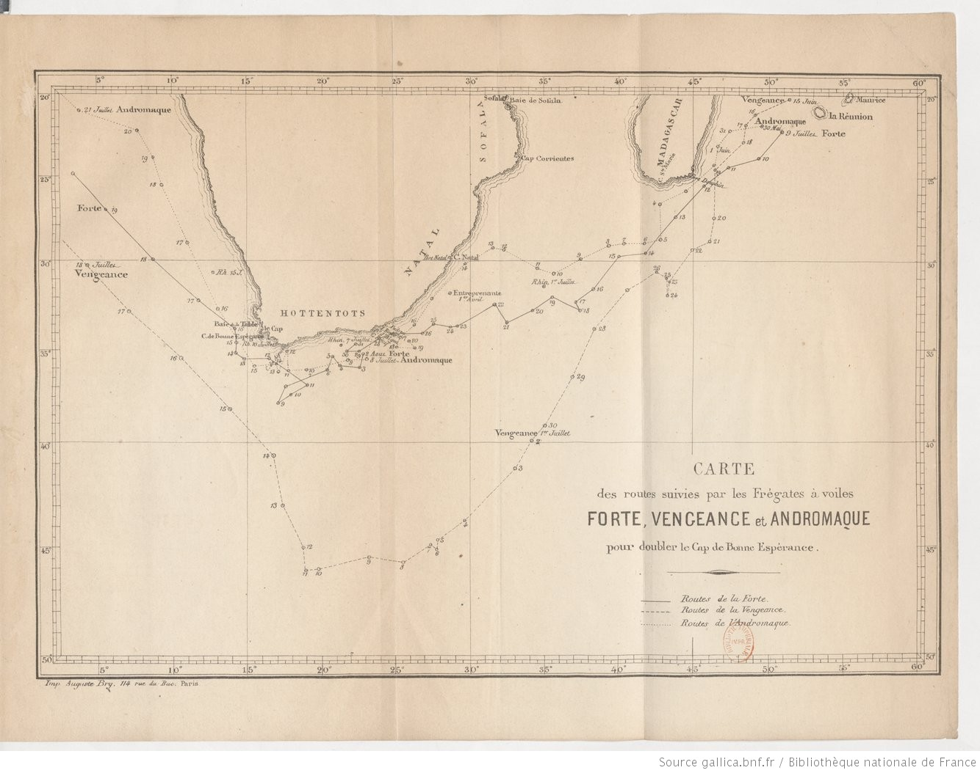
 | BAROMETER
 | 747.00
 | 754.00
 | 758.00
 | 760.00
 | 761.00
 | 763.00
 | 760.00
 | 758.00
 | 751.00
 | 747.00
 | 744.00
 | 746.00
 | 745.00
 | 747.00
 | 751.00
 | 753.00
 | 755.00
 | 752.00
 | 751.00
 | 750.00
 | 747.00
 | 749.00
 | 751.00
 | 749.00
 | 749.00
 | 741.00
 | 739.00
 | 739.00
 | 734.00
 | 741.00
 | 743.00
 | 744.00
 | 748.00
 | 749.00
 | 745.00
 | 743.00
 | 740.00
 | 753.00
 | 753.00
 | 753.00
 | 755.00
 | 744.00
 | 755.00
 | 759.00
 | 761.00
 | 763.00
 | 766.00
 | 767.00
YEAR | MONTH | DAY | HOUR | LATITUDE | N/S | LONGITUDE | E/W | BAROMETER | THERMOMETER | WIND DIRECTION
1862 | 7 | 1 | 1200 | 40.05 | S | 34.07 | E | 747.00 | 10.0 | WSW
1862 | 7 | 1 | 2000 |  |  |  |  | 754.00 |  | SE
1862 | 7 | 2 | 400 |  |  |  |  | 758.00 | 16.0 | W
1862 | 7 | 2 | 1200 | 40.06 | S | 34.20 | E | 760.00 | 16.0 | W
1862 | 7 | 2 | 2000 |  |  |  |  | 761.00 |  | WNW
1862 | 7 | 3 | 400 |  |  |  |  | 763.00 | 10.0 | NW
1862 | 7 | 3 | 1200 | 41.40 | S | 33.01 | E | 760.00 | 12.0 | NW
1862 | 7 | 3 | 2000 |  |  |  |  | 758.00 |  | NW
1862 | 7 | 4 | 400 |  |  |  |  | 751.00 | 11.0 | NW
1862 | 7 | 4 | 1200 | 43.53 | S | 29.37 | E | 747.00 | 11.0 | NNW
1862 | 7 | 4 | 2000 |  |  |  |  | 744.00 |  | NNW
1862 | 7 | 5 | 400 |  |  |  |  | 746.00 | 8.0 | Calm
1862 | 7 | 5 | 1200 | 44.50 | S | 27.46 | E | 745.00 | 8.0 | NNW
1862 | 7 | 5 | 2000 |  |  |  |  | 747.00 |  | NNW
1862 | 7 | 6 | 400 |  |  |  |  | 751.00 | 4.0 | W
1862 | 7 | 6 | 1200 | 45.20 | S | 27.39 | E | 753.00 |  | W
1862 | 7 | 6 | 2000 |  |  |  |  | 755.00 |  | NW
 | THERMOMETER
 | 10.0
 | 16.0
 | 16.0
 | 10.0
 | 12.0
 | 11.0
 | 11.0
 | 8.0
 | 8.0
 | 4.0
 | 9.0
 | 10.0
 | 7.0
 | 7.0
 | 7.0
 | 8.0
 | 8.0
 | 8.0
 | 2.0
 | 3.0
 | 3.0
 | 5.0
 | 6.0
 | 7.0
 | 6.0
 | 8.0
 | 8.0
 | 7.0
 | 11.0
 | 12.0
1862 | 7 | 7 | 400 |  |  |  |  | 752.00 | 9.0 | NNW
1862 | 7 | 7 | 1200 | 45.06 | S | 27.14 | E | 751.00 | 10.0 | NW
1862 | 7 | 7 | 2000 |  |  |  |  | 750.00 |  | N
1862 | 7 | 8 | 400 |  |  |  |  | 747.00 | 7.0 | NNW
1862 | 7 | 8 | 1200 | 45.50 | S | 25.21 | E | 749.00 | 7.0 | WW
1862 | 7 | 8 | 2000 |  |  |  |  |  |  | SSW
1862 | 7 | 9 | 400 |  |  |  |  | 751.00 | 7.0 | NE
1862 | 7 | 9 | 1200 | 45.38 | S | 23.08 | E | 749.00 |  | NW
1862 | 7 | 9 | 2000 |  |  |  |  | 749.00 | 8.0 | NW
1862 | 7 | 10 | 400 |  |  |  |  | 741.00 | 8.0 | N
1862 | 7 | 10 | 1200 | 46.09 | S | 19.47 | E | 739.00 | 8.0 | NW
1862 | 7 | 10 | 2000 |  |  |  |  | 739.00 |  | NW
1862 | 7 | 11 | 400 |  |  |  |  | 734.00 | 2.0 | NW
1862 | 7 | 11 | 1200 | 46.20 | S | 18.49 | E | 741.00 | 3.0 | W
1862 | 7 | 11 | 2000 |  |  |  |  | 743.00 |  | W
1862 | 7 | 12 | 400 |  |  |  |  | 744.00 | 3.0 | W
1862 | 7 | 12 | 1200 | 45.05 | S | 18.46 | E | 748.00 |  | W
1862 | 7 | 12 | 2000 |  |  |  |  | 749.00 |  | W
1862 | 7 | 13 | 400 |  |  |  |  | 745.00 | 5.0 | WNW
1862 | 7 | 13 | 1200 | 43.08 | S | 18.23 | E | 743.00 |  | SW
1862 | 7 | 13 | 2000 |  |  |  |  | 740.00 |  | W
1862 | 7 | 14 | 400 |  |  |  |  | 753.00 | 6.0 | WSW
1862 | 7 | 14 | 1200 | 40.35 | S | 16.45 | E | 753.00 | 7.0 | W
1862 | 7 | 14 | 2000 |  |  |  |  | 753.00 |  | SW
1862 | 7 | 15 | 400 |  |  |  |  | 755.00 | 6.0 | SSW
1862 | 7 | 15 | 1200 | 38.08 | S | 13.42 | E | 744.00 | 8.0 | SW
1862 | 7 | 15 | 2000 |  |  |  |  | 755.00 |  | SW
1862 | 7 | 16 | 400 |  |  |  |  | 759.00 | 8.0 | SSW
1862 | 7 | 16 | 1200 | 35.24 | S | 10.31 | E | 761.00 |  | S
1862 | 7 | 16 | 2000 |  |  |  |  | 763.00 | 7.0 | SE
1862 | 7 | 17 | 400 |  |  |  |  | 766.00 | 11.0 | SE
1862 | 7 | 17 | 1200 | 32.45 | S | 7.22 | E | 767.00 | 12.0 | SE

